녹화 외 기본기능
BAS_060 |  |  | English Translation | English Translation | English Translation |  | English Translation | English Translation
ID | Test method | TC design method | Verification items | detail | Precondition | Step | Execution Procedure | Expected value | 결과 | 측정값 | 판정 | 비고 | 매뉴얼 기본 | 자동화 기본 | 자동화 반영 | 사양구분 | 과거차문제
[BLTN_CAM-기능-031] 엔지니어링 모드
BAS_001 | ▪Requirement-based test ▪Test of interaction/communication | ▪Requirements Analysis ▪Interface Analysis | [Engineer Mode] | Check built-in cam mode video output | ▪ Built-in Cam Boot Complete ▪ BLTN_CAM_State = 0x0 (BLTN_CAM Valid) ▪ BLTN_CAM_SD_Card_State = 0x0 (Good) ▪ Associated Controller CAN/Ethernet Communication Enabled ▪ Power: KEY ON ▪ Voltage: 12V | 1 | ▪ HU Mode Status ▪ Enter Built-in Cam Mode (BLTN_CAM_LVDS_Mode_Cmd = 0x0:Front and Rear Camera) ▪ Touch Real-time Screen ▪ Go Back ▪ Confirm Repeat 10 times | ▪ BLTN_CAM_LVDS_Mode_State = 0x0: Front and Rear Camera : LVDS video output switching time within 2 seconds (A delay of about +1 second can be expected since CCNC generates the GUI) ▪ No black thumbnails in the video list | Pass | 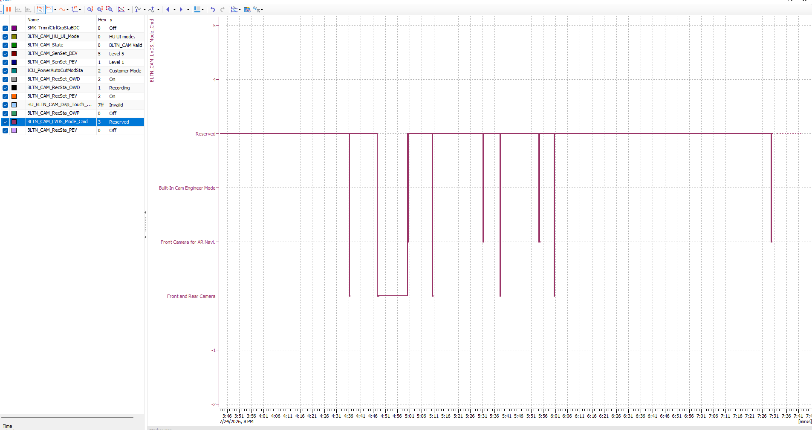 |  |  | X | X | X
BAS_023 | ▪Requirement-based test ▪Test of interaction/communication | ▪Requirements Analysis ▪Interface Analysis | [Engineer Mode] | Verify video output in engineer mode | ▪ Built-in Cam Boot Complete ▪ BLTN_CAM_State = 0x0 (BLTN_CAM Valid) ▪ BLTN_CAM_SD_Card_State = 0x0 (Good) ▪ Associated Controller CAN/Ethernet Communication Enabled ▪ Power: KEY ON ▪ Voltage: 12V | 1 | ▪ Enter Engineer Mode (BLTN_CAM_LVDS_Mode_Cmd = 0x2:Built-In Cam Engineer Mode) ▪ Confirm by repeating 10 times (Entry method from Head Unit: Quickly tap Auto Recording tab 5 times, Manual Recording, Live Screen, and Phone Connect tabs once each) | ▪ BLTN_CAM_LVDS_Mode_State = 0x2:Built-In Cam Engineer Mode | Pass | 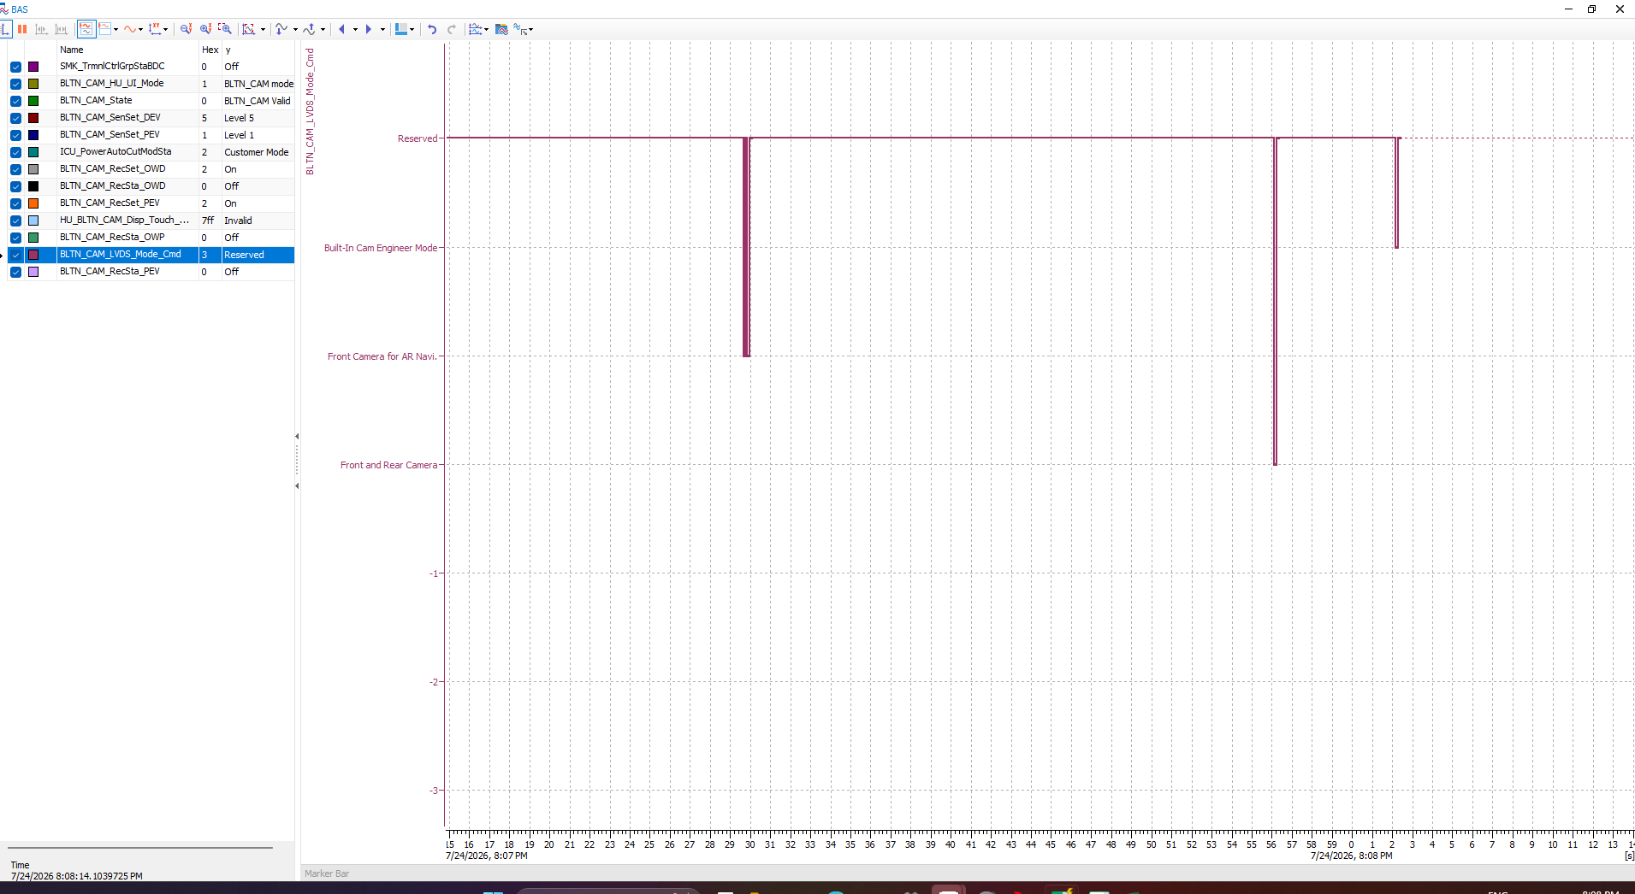 |  |  | X | X | X
 |  |  |  | Verify connection after entering the engineer mode password. |  | 2 | ▪ Enter password while on the password input screen in Engineer Mode | ▪ BLTN_CAM_LVDS_Mode_State = 0x2:Built-In Cam Engineer Mode ▪ Enter password to complete connection to Engineer Mode | Pass | 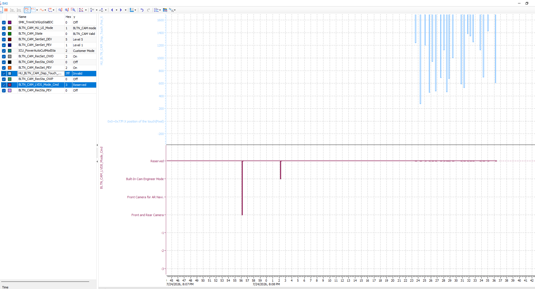 |  |  | X | X | X
BAS_002 | ▪Requirement-based test ▪Test of interaction/communication | ▪Requirements Analysis ▪Interface Analysis | [Engineer Mode Touch CAN Signal] | Verify coordinate value output when touching in Engineer Mode | ▪ Built-in Cam Boot Complete ▪ BLTN_CAM_State = 0x0 (BLTN_CAM Valid) ▪ BLTN_CAM_SD_Card_State = 0x0 (Good) ▪ Associated Controller CAN/Ethernet Communication Enabled ▪ Power: KEY ON ▪ Voltage: 12V | 1 | ▪ Enter password after entering Engineer Mode - HU_BLTN_CAM_Disp_Touch_Pos_X, _Y displayed | ▪Keyboard input operation based on X, Y coordinate values ​​received from the head unit, password entered | Pass |  |  |  | X | X | X
BAS_003 | ▪Requirement-based test ▪Test of interaction/communication | ▪Requirements Analysis ▪Interface Analysis | [Engineer Mode] Built-in Cam Info | Version | ▪ Built-in Cam Boot Complete ▪ BLTN_CAM_State = 0x0 (BLTN_CAM Valid) ▪ BLTN_CAM_SD_Card_State = 0x0 (Good) ▪ Associated Controller CAN/Ethernet Communication Enabled ▪ Power: KEY ON ▪ Voltage: 12V | 1 | ▪ Check S/W, F/W, and ISP versions | ▪ Output the corresponding version | Pass | 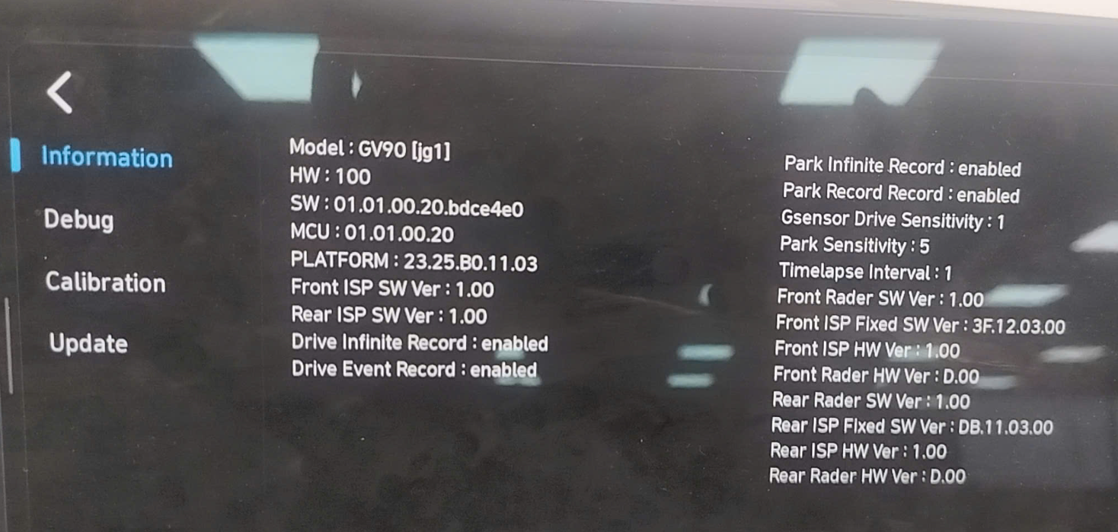 |  |  | X | X | X
 |  |  |  | Impact detection criteria while driving |  | 2 | ▪ Check driving impact detection standards (Lv1 ~ Lv5) for the relevant vehicle model | ▪ Matches detection threshold values ​​for the corresponding vehicle model | Pass | 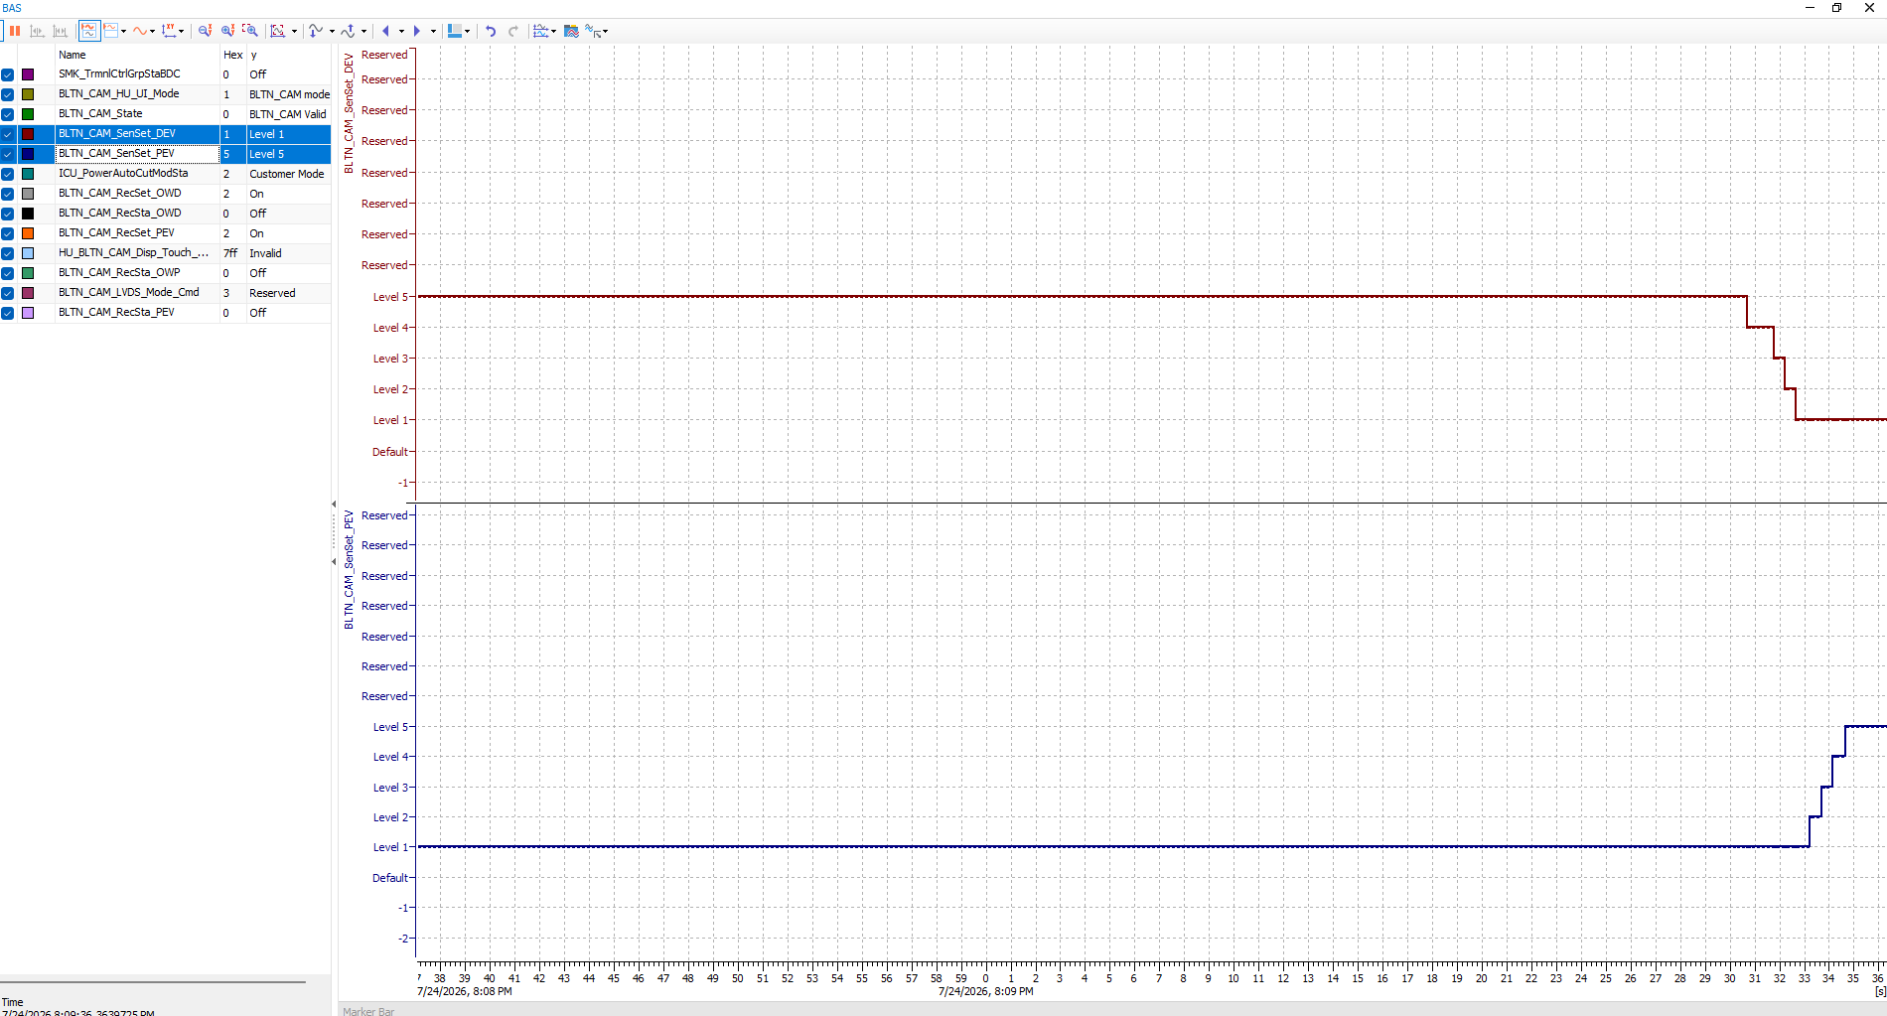 |  |  | X | X | X
 |  |  |  | Impact detection criteria while parked |  | 3 | ▪ Check parking impact detection standards (Lv1 ~ Lv5) for the relevant vehicle model | ▪ Matches detection threshold values ​​for the corresponding vehicle model | Pass |  |  |  | X | X | X
BAS_016 | ▪Requirement-based test ▪Test of interaction/communication | ▪Requirements Analysis ▪Interface Analysis | [Reset] : Vehicle Mode | 0x0: Factory Mode - Delete entire video | ▪ Built-in Cam Boot Complete ▪ BLTN_CAM_State = 0x0 (BLTN_CAM Valid) ▪ BLTN_CAM_SD_Card_State = 0x0 (Good) ▪ Associated Controller CAN/Ethernet Communication Enabled ▪ Power: KEY ON ▪ Voltage: 12V | 1 | ▪ ICU_PowerAutoCutModSta = 0x0(Factory mode) | ▪ All saved videos will be deleted - Factory reset, | Pass |  |  |  | O | X | X
 |  |  |  |  |  | 3 | ▪ KEY ON | ▪ Continuous recording while parked is not available in Factory/Transport mode. Message displayed | Pass |  |  |  | X | X | X
BAS_046 | ▪Requirement-based test ▪Test of interaction/communication | ▪Requirements Analysis ▪Interface Analysis | [Reset] : Vehicle Mode | 0x1: Dealer Mode - Delete entire video | ▪ Built-in Cam Boot Complete ▪ BLTN_CAM_State = 0x0 (BLTN_CAM Valid) ▪ BLTN_CAM_SD_Card_State = 0x0 (Good) ▪ Associated Controller CAN/Ethernet Communication Enabled ▪ Power: KEY ON ▪ Voltage: 12V | 1 | ▪ ICU_PowerAutoCutModSta = 0x1(Dealer mode) | ▪ All saved videos will be deleted - Factory reset, | Pass | 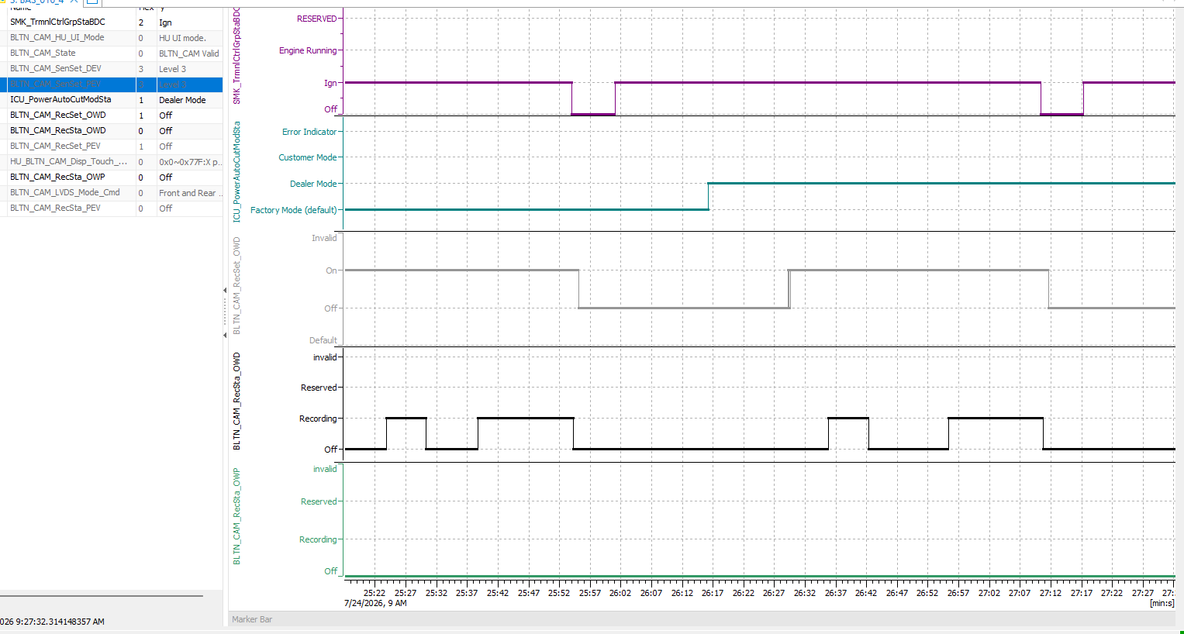 |  |  | O | X | X
 |  |  |  |  |  | 3 | ▪ KEY ON | ▪ Continuous recording while parked is not available in Factory/Transport mode. Message displayed | Pass |  |  |  | X | X | X
BAS_047 | ▪Requirement-based test ▪Test of interaction/communication | ▪Requirements Analysis ▪Interface Analysis | [Reset] : Vehicle Mode | 0x2: Customer Mode - Video not deleted | ▪ Built-in Cam Boot Complete ▪ BLTN_CAM_State = 0x0 (BLTN_CAM Valid) ▪ BLTN_CAM_SD_Card_State = 0x0 (Good) ▪ Associated Controller CAN/Ethernet Communication Enabled ▪ Power: KEY ON ▪ Voltage: 12V | 1 | ▪ ICU_PowerAutoCutModSta = 0x2(Customer mode) ▪ Create recorded video, change recording settings ▪ KEY OFF → ON | ▪ Maintain saved video | Pass | 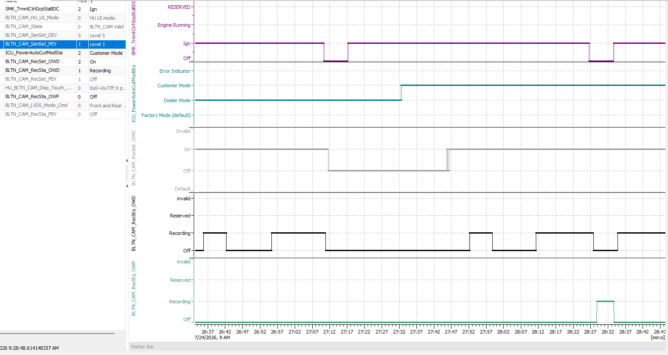 |  |  | O | X | X
BAS_017 | ▪Requirement-based test ▪Test of interaction/communication | ▪Requirements Analysis ▪Interface Analysis | [Initialization] : Vehicle Mode (time-out, Error) | 0x0: Factory Mode → No signal received (Time Out) | ▪ Built-in Cam Boot Complete ▪ BLTN_CAM_State = 0x0 (BLTN_CAM Valid) ▪ BLTN_CAM_SD_Card_State = 0x0 (Good) ▪ Associated Controller CAN/Ethernet Communication Enabled ▪ Power: KEY ON ▪ Voltage: 12V | 1 | ▪ ICU_PowerAutoCutModSta = 0x0(Factory mode) → Time Out | ▪ All saved videos will be deleted - Factory reset | Pass | 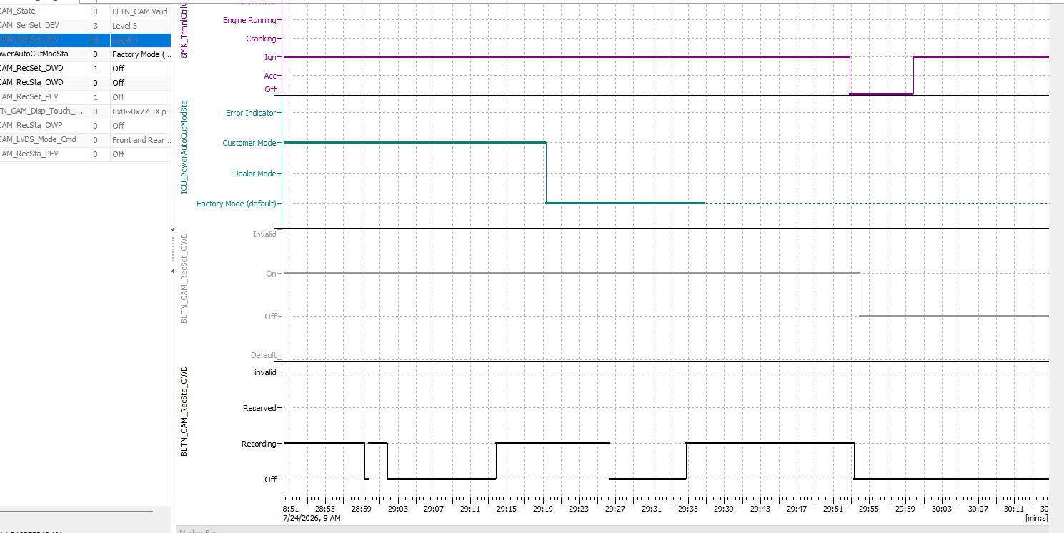 |  |  | X | X | X
BAS_048 | ▪Requirement-based test ▪Test of interaction/communication | ▪Requirements Analysis ▪Interface Analysis | [Initialization] : Vehicle Mode (time-out, Error) | 0x1: Dealer Mode → No signal received (Time Out) | ▪ Built-in Cam Boot Complete ▪ BLTN_CAM_State = 0x0 (BLTN_CAM Valid) ▪ BLTN_CAM_SD_Card_State = 0x0 (Good) ▪ Associated Controller CAN/Ethernet Communication Enabled ▪ Power: KEY ON ▪ Voltage: 12V | 1 | ▪ ICU_PowerAutoCutModSta = 0x1(Dealer mode) → Time Out | ▪ All saved videos will be deleted - Factory reset | Pass |  |  |  | X | X | X
BAS_049 | ▪Requirement-based test ▪Test of interaction/communication | ▪Requirements Analysis ▪Interface Analysis | [Initialization] : Vehicle Mode (time-out, Error) | 0x2: Customer Mode → No Signal Received (Time Out) | ▪ Built-in Cam Boot Complete ▪ BLTN_CAM_State = 0x0 (BLTN_CAM Valid) ▪ BLTN_CAM_SD_Card_State = 0x0 (Good) ▪ Associated Controller CAN/Ethernet Communication Enabled ▪ Power: KEY ON ▪ Voltage: 12V | 1 | ▪ ICU_PowerAutoCutModSta = 0x2(Customer mode) → Time Out ▪ Create recorded video, change recording settings ▪ KEY OFF → ON | ▪ Maintain saved video | Pass |  |  |  | X | X | X
BAS_050 | ▪Requirement-based test ▪Test of interaction/communication | ▪Requirements Analysis ▪Interface Analysis | [Initialization] : Vehicle Mode (time-out, Error) | 0x0: Factory Mode → Receive other values | ▪ Built-in Cam Boot Complete ▪ BLTN_CAM_State = 0x0 (BLTN_CAM Valid) ▪ BLTN_CAM_SD_Card_State = 0x0 (Good) ▪ Associated Controller CAN/Ethernet Communication Enabled ▪ Power: KEY ON ▪ Voltage: 12V | 1 | ▪ ICU_PowerAutoCutModSta = 0x0(Factory mode) → Error Indicator | ▪ All saved videos will be deleted - Factory reset | Pass | 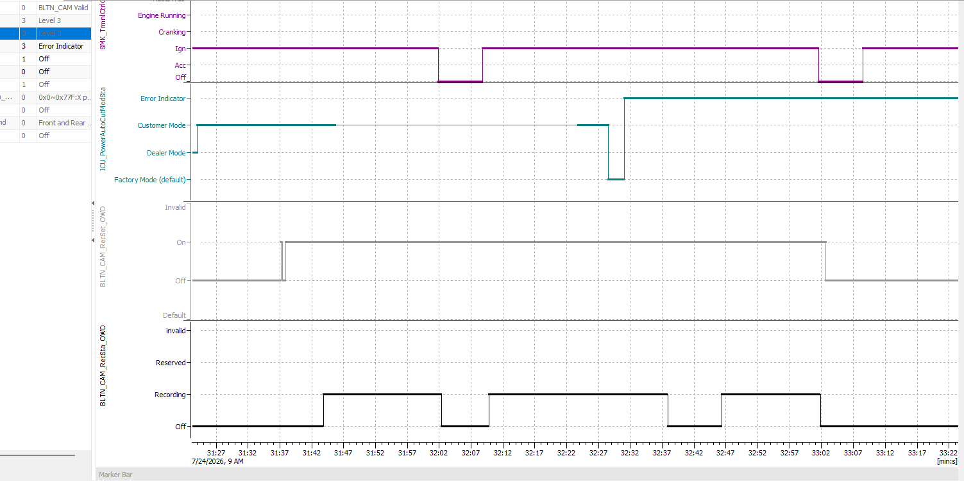 |  |  | X | X | X
BAS_051 | ▪Requirement-based test ▪Test of interaction/communication | ▪Requirements Analysis ▪Interface Analysis | [Initialization] : Vehicle Mode (time-out, Error) | 0x1: Dealer Mode → Receive other values | ▪ Built-in Cam Boot Complete ▪ BLTN_CAM_State = 0x0 (BLTN_CAM Valid) ▪ BLTN_CAM_SD_Card_State = 0x0 (Good) ▪ Associated Controller CAN/Ethernet Communication Enabled ▪ Power: KEY ON ▪ Voltage: 12V | 1 | ▪ ICU_PowerAutoCutModSta = 0x1(Dealer mode) → Error Indicator | ▪ All saved videos will be deleted - Factory reset | Pass |  |  |  | X | X | X
BAS_052 | ▪Requirement-based test ▪Test of interaction/communication | ▪Requirements Analysis ▪Interface Analysis | [Initialization] : Vehicle Mode (time-out, Error) | 0x2: Customer Mode → Receive other values | ▪ Built-in Cam Boot Complete ▪ BLTN_CAM_State = 0x0 (BLTN_CAM Valid) ▪ BLTN_CAM_SD_Card_State = 0x0 (Good) ▪ Associated Controller CAN/Ethernet Communication Enabled ▪ Power: KEY ON ▪ Voltage: 12V | 1 | ▪ ICU_PowerAutoCutModSta = 0x2(Customer mode) → Error Indicator | ▪ Maintain saved video | Pass |  |  |  | X | X | X
BAS_021 | ▪Requirement-based test ▪Test of interaction/communication | ▪Requirements Analysis ▪Interface Analysis | Saving NSS built-in cam logs | Check NSS log files | ▪ Built-in Cam Boot Complete ▪ BLTN_CAM_State = 0x0 (BLTN_CAM Valid) ▪ BLTN_CAM_SD_Card_State = 0x0 (Good) ▪ Associated Controller CAN/Ethernet Communication Enabled ▪ Power: KEY ON ▪ Voltage: 12V | 1 | ▪ ADB Connection (Authorized) ▪ Check dvrs log file sudo -u nss ls -l /mnt/data/share/nss/log/dvrs | ▪ Check DVRs log file list Example) dvrs_1_202500827_125509.dlt | Pass |  |  |  | X | X | X
 |  |  |  |  |  | 2 | ▪Check sys log files sudo -u nss ls -l /mnt/data/share/nss/log/sys | ▪ Check sys log file list Example) dvrs_1_202500827_125509.dlt | Pass | 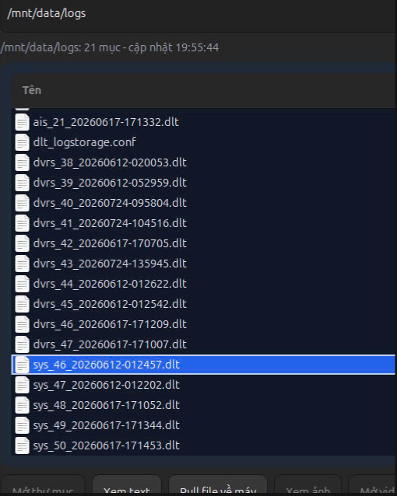 |  |  | X | X | X
 |  |  |  |  |  | 3 | ▪Check AIS log file sudo -u nss ls -l /mnt/data/share/nss/log/ais | ▪ Check AIS log file list Example) dvrs_1_202500827_125509.it | Pass | 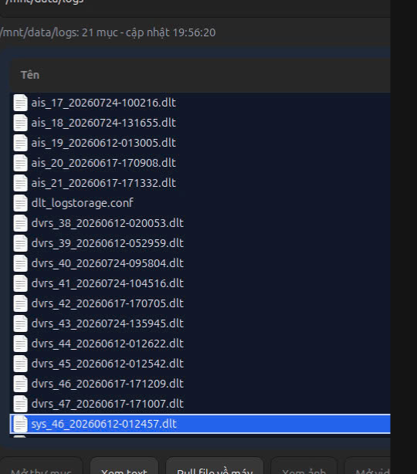 |  |  | X | X | X
 |  |  |  |  |  | 4 | ▪Copy log to another path sudo -u nss cp -r /mnt/data/share/nss/log /home/nss ▪Extract dlt file with filename nss_log adb pull /home/nss nss_log ▪Open log file with DltViewerSDK | ▪ Logs will be saved | Pass | 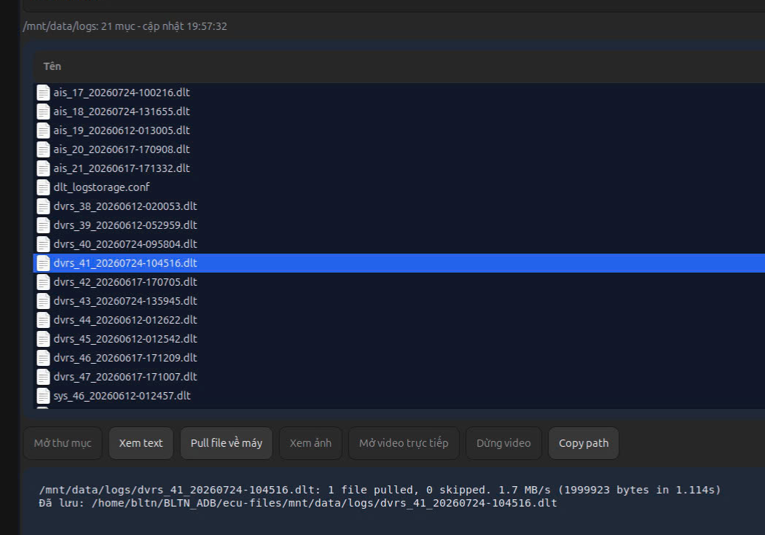 |  |  | X | X | X
BAS_022 | ▪Requirement-based test ▪Test of interaction/communication | ▪Requirements Analysis ▪Interface Analysis | NSS connection/disconnection verification | NSS connection/disconnection via Built-in Cam B+ power | ▪ Built-in Cam Boot Complete ▪ BLTN_CAM_State = 0x0 (BLTN_CAM Valid) ▪ BLTN_CAM_SD_Card_State = 0x0 (Good) ▪ Associated Controller CAN/Ethernet Communication Enabled ▪ Power: KEY ON ▪ Voltage: 12V | 1 | ▪ADB Connection (Authorized) ▪Real-time Journal Log Output journalctl -f | grep "CCS" ▪Built-in Cam B+/ACC/IGN OFF | ▪Verify NSS release log output NSS Release : SOMEIP CSS] Success umount | Pass | 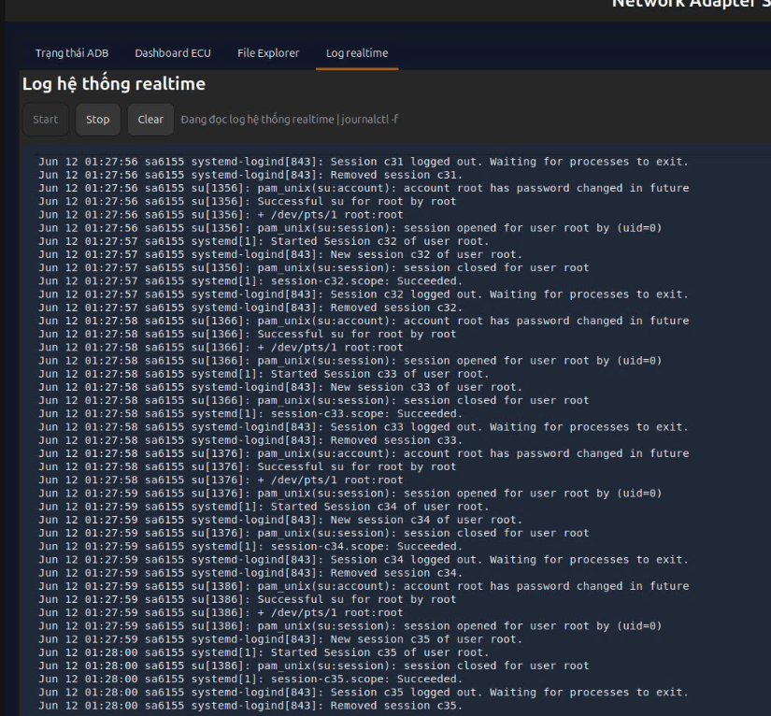 |  |  | X | X | X
 |  |  |  |  |  | 2 | ▪Built-in Cam B+/ACC/IGN ON | ▪Check NSS connection log output NSS Connection: SOMEIP CSS] Success mount | Pass | 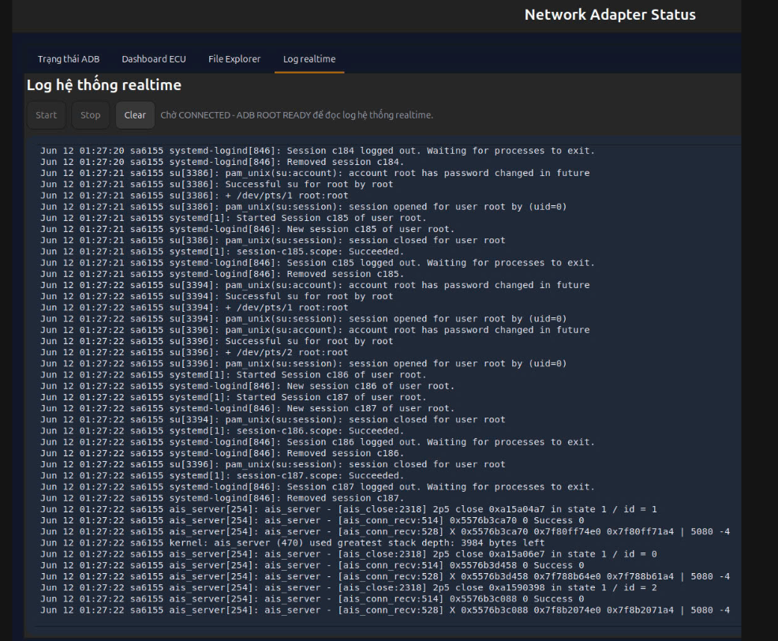 |  |  | X | X | X
 |  |  |  | NSS connection/disconnection via Ethernet connection |  | 3 | ▪ Disconnect Ethernet cable | ▪Verify NSS release log output NSS Release : SOMEIP CSS] Success umount | Pass | 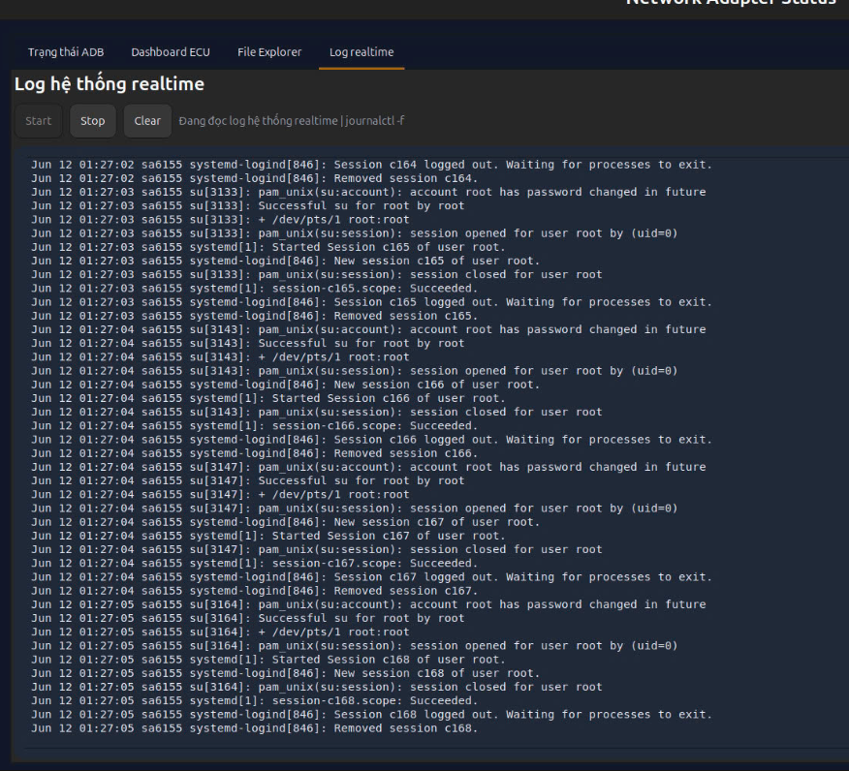 |  |  | X | X | X
 |  |  |  |  |  | 4 | ▪ Connect Ethernet cable | ▪Check NSS connection log output NSS Connection: SOMEIP CSS] Success mount | Pass |  |  |  | X | X | X

